DCF
Unlevered Free Cash Flow (mm)
Fiscal Year |  | 2022-12-31 | 2023-12-31 | 2024-12-31 | 2025-12-31 | 2026-12-31 | 2027-12-31 | 2028-12-31 | 2029-12-31
Unlevered Free Cash Flow |  | 32,576 | 70,970 | 48,821 | 59,890 | 52,824 | 51,777 | 39,183 | 24,308

Projection Year |  |  |  |  | 1 | 2 | 3 | 4 | 5
Present Value of Free Cash Flow |  |  |  |  | 56,616 | 47,206 | 43,741 | 31,292 | 18,351

Implied Share Price Calculation |  |  | Sensitivity Table
Sum of PV of FCF | 197,205
Growth Rate | 3% |  |  |  | Growth Rate
WACC | 5.8% |  |  | 830.00 | 2.00% | 2.50% | 3.00% | 3.50% | 4.00%
Terminal Value | 899,550 |  | WACC | 6.78% | 535.21 | 578.65 | 633.59 | 705.28 | 802.76
PV of Terminal Value | 679,110 |  |  | 6.28% | 588.31 | 644.29 | 717.34 | 816.66 | 959.55
Enterprise Value | 876,315 |  |  | 5.78% | 655.23 | 729.67 | 830.89 | 976.49 | 1,203.91
(+) Cash | 522.26 |  |  | 5.28% | 742.28 | 845.44 | 993.83 | 1,225.60 | 1,638.43
(-) Debt | 3,839.28 |  |  | 4.78% | 860.33 | 1,011.58 | 1,247.80 | 1,668.56 | 2,628.77
(-) Minority Interest | 0
Equity Value | 872,998
Diluted Shares Outstanding (mm) | 1051.80
Implied Share Price | 830.00

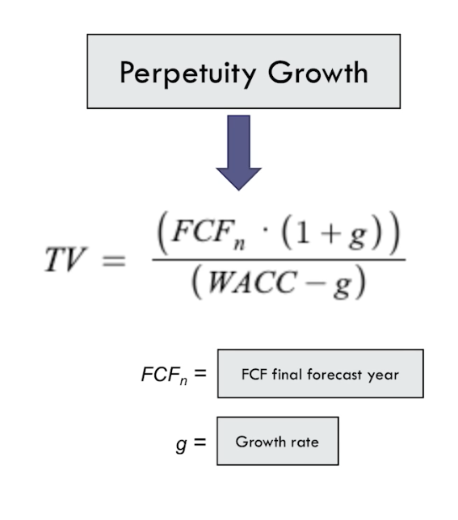

Enterprise value = Present value of FCF + Present value of Terminal Value

